Introduction and contents
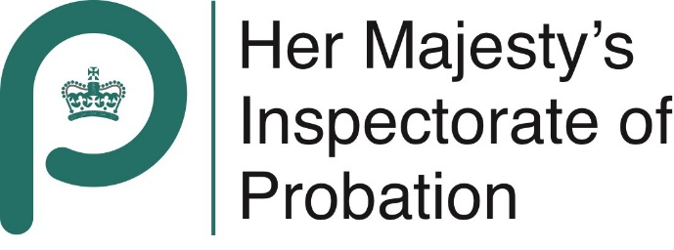

Youth offending inspection data
County Durham YOS
Report published November 2022

This workbook sets out the data collected by HM Inspectorate Probation during the inspection fieldwork in Durham YOS in August 2022. Contents: Tab 2 Inspection Methodology Tab 3 Contextual data Tab 4 Ratings data for D2 and D3 Tab 5 Data from Inspection of Court Disposals (D2) Tab 6 Data from Inspection of Out-Of-Court Disposals (D3) Tab 7 Data from Inspection of Resettlement Cases Tab 8 Data from case manager interviews The report of the inspection can be found at: https://www.justiceinspectorates.gov.uk/hmiprobation/inspections/countydurhamyos/

